RunChart_2+Visits_Six_Month
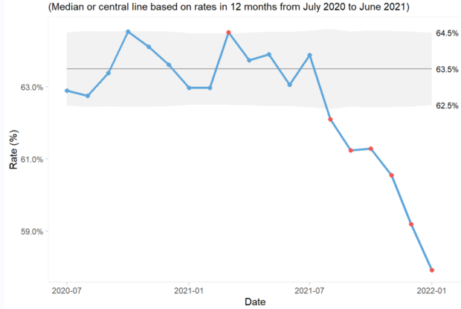
Press TAB to move to input areas. Press UP or DOWN ARROW in column A to read through the document.
California Department of Health Care Services
Percent of Medi-Cal children who had 2+ well-child visits with a primary care provider
(PCP) by the month they turned 6 months old (January 2020 - January 2022)

Chart_Index of Disparity
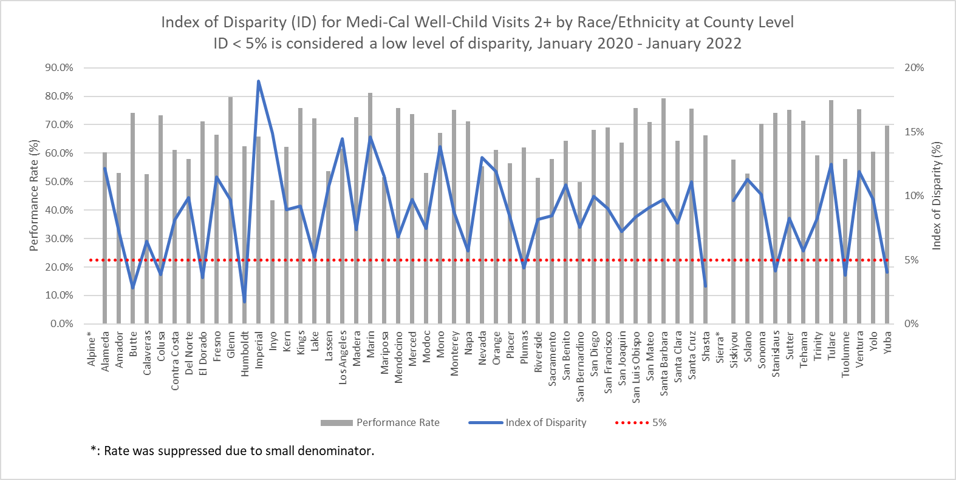
Press TAB to move to input areas. Press UP or DOWN ARROW in column A to read through the document.
California Department of Health Care Services
Percent of Medi-Cal children who had 2+ well-child visits with a primary care provider (PCP) by the month they
turned 6 months old (January 2020 - January 2022)

