Pt. III MCP Landscape Analysis
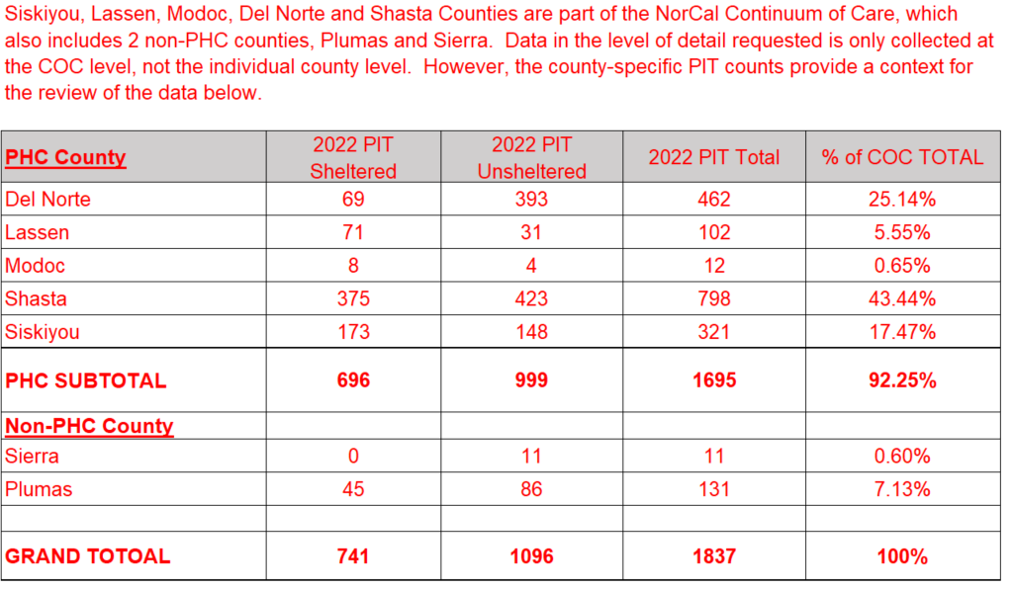
MCPs landscape analysis of member demographics, needs, gaps, and services. | . | MCPs landscape analysis of member demographics, needs, gaps, and services. | MCPs landscape analysis of member demographics, needs, gaps, and services. | MCPs landscape analysis of member demographics, needs, gaps, and services. | MCPs landscape analysis of member demographics, needs, gaps, and services. | MCPs landscape analysis of member demographics, needs, gaps, and services. | MCPs landscape analysis of member demographics, needs, gaps, and services. | MCPs landscape analysis of member demographics, needs, gaps, and services. | MCPs landscape analysis of member demographics, needs, gaps, and services. | MCPs landscape analysis of member demographics, needs, gaps, and services. | MCPs landscape analysis of member demographics, needs, gaps, and services. | MCPs landscape analysis of member demographics, needs, gaps, and services. | MCPs landscape analysis of member demographics, needs, gaps, and services.
PART III: LANDSCAPE ANALYSIS OF MEMBER DEMOGRAPHICS, NEEDS, AND GAPS
Part III scoring: 80 points available (inclusive of both the county submission and unique MCP submission).
A. Landscape Analysis of Member Needs and Demographics1 |  |  |  | B. Landscape Analysis of Member Receiving Services
The information provided in TABLE 1 should reflect the MCP's most current and accurate estimate of the number and demographics of their Members experiencing homelessness on the day that the MCP is preparing the data. These figures should align with the HHAP-32 application form for demographic information and could also rely on utilizing: (1) data from HMIS, PIT counts3, Continuum of Care Housing Inventory Count (HIC) data; and (2) any recently conducted local needs assessments, analyses, etc. |  |  |  | Please use TABLE 2 to report the number of MCP members served by existing services. The data provided within Table 2 should represent the MCPs’ current number of Members along with a summary of demographic information of Members participating in or being served by the different intervention types, including subpopulations that are underserved relative to their proportion of individuals experiencing homelessness in the jurisdiction. It is important to note that intervention types are not mutually exclusive, and Members may be counted in multiple categories.
Table 1. Landscape Analysis of Member Needs and Demographics |  |  |  | Table 2. Landscape Analysis of Member Receiving Services
 | Members Experiencing Homelessness | Source and Date Timeframe of Data |  |  | Permanent Supportive Housing | Rapid Rehousing | Transitional Housing | Interim Housing or Emergency Shelter | Diversion Services and Assistance | Homelessness Prevention Services & Assistance | Outreach and Engagement Services | Other: [Identify] | Source(s) and Time-frame of Data
Population and Living Situations |  |  |  |  | (PSH) | (RRH) | (TH) | (IH / ES) | (DIV) | (HP) | (O/R)
TOTAL # OF MEMBERS EXPERIENCING HOMELESSNESS | 11 | 2022 PIT |  | Household Composition
# of Members Who are Sheltered (Emergency Shelter (ES), Transitional Housing (TH), Supportive Housing (SH)) |  | 2022 PIT |  | # of Households without Children | 0 |  | 0 |  | N/A | 0 |  |  | CoC APR 1/15/22-1/16/22
# of Members Who are Unsheltered |  | 2022 PIT |  | # of Households with At Least 1 Adult & 1 Child | 0 | 0 | 0 | 0 | N/A | 0 | 0 |  | CoC APR 1/15/22-1/16/22
Household Composition |  |  |  | # of Households with Only Children | 0 | 0 | 0 | 0 | N/A | 0 | 0 |  | CoC APR 1/15/22-1/16/22
# of Households without Children |  | 2022 PIT |  | Sub-Populations and Other Characteristics
# of Households with At Least 1 Adult & 1 Child |  | 2022 PIT |  | # of Adults Who are Experiencing Chronic Homeless-ness | 0 |  | 0 |  | N/A | 0 |  |  | CoC APR 1/15/22-1/16/22
# of Households with Only Children |  | 2022 PIT |  | # of Adults Who are Experiencing Serious Mental Illness | 0 |  | 0 |  | N/A | 0 |  |  | CoC APR 1/15/22-1/16/22
Sub-Populations and Other Characteristics |  |  |  | # of Adults Who are Experiencing Substance Use Disorders | 0 | 0 | 0 | 0 | N/A | 0 |  |  | CoC APR 1/15/22-1/16/22
# of Adults Who are Experiencing Chronic Homelessness |  | 2022 PIT |  | # of Adults Who are Veterans | 0 |  | 0 | 0 | N/A | 0 | 0 |  | CoC APR 1/15/22-1/16/22
# of Adults Who are Experiencing Serious Mental Illness |  | 2022 PIT |  | # of Adults with HIV/AIDS | 0 | 0 | 0 | 0 | N/A | 0 | 0 |  | CoC APR 1/15/22-1/16/22
# of Adults Who are Experiencing Substance Use Disorders |  | 2022 PIT |  | # of Adults Who are Survivors of Domestic Violence | 0 |  | 0 |  | N/A | 0 |  |  | CoC APR 1/15/22-1/16/22
# of Adults Who are Veterans |  | 2022 PIT |  | # of Un-accompanied Youth (under 25) | 0 | 0 | 0 | 0 | N/A | 0 | 0 |  | CoC APR 1/15/22-1/16/22
# of Adults with HIV/AIDS | 0 | 2022 PIT |  | # of Parenting Youth (under 25) | 0 | 0 | 0 | 0 | N/A | 0 | 0 |  | CoC APR 1/15/22-1/16/22
# of Adults Who are Survivors of Domestic Violence |  | 2022 PIT |  | # of People Who are Children of Parenting Youth | 0 | 0 | 0 | 0 | N/A | 0 | 0 |  | CoC APR 1/15/22-1/16/22
# of Unaccompanied Youth (under 25) | 0 | 2022 PIT |  | Gender Demographics
# of Parenting Youth (under 25) | No Data | 2022 PIT |  | # of Women/Girls | 0 |  | 0 |  | N/A | 0 |  |  | CoC APR 1/15/22-1/16/22
# of People Who are Children of Parenting Youth | No Data | 2022 PIT |  | # of Men/Boys | 0 |  | 0 |  | N/A | 0 |  |  | CoC APR 1/15/22-1/16/22
Gender Demographics |  |  |  | # of People Who are Transgender | 0 | 0 | 0 | 0 | N/A | 0 | 0 |  | CoC APR 1/15/22-1/16/22
# of Women/Girls |  | 2022 PIT |  | # of People Who are Gender Non-Conforming | 0 | 0 | 0 | 0 | N/A | 0 | 0 |  | CoC APR 1/15/22-1/16/22
# of Men/Boys |  | 2022 PIT |  | Ethnicity and Race Demographics
# of People Who are Transgender | 0 | 2022 PIT |  | # of People Who are Hispanic/ Latino | 0 | 0 | 0 | 0 | N/A | 0 | 0 |  | CoC APR 1/15/22-1/16/22
# of People Who are Gender Non-Conforming | 0 | 2022 PIT |  | # of People Who are Non-Hispanic/ Non-Latino |  |  | 0 |  | N/A |  |  |  | CoC APR 1/15/22-1/16/22
Ethnicity and Race Demographics |  |  |  | # of People Who are Black or African American | 0 | 0 | 0 | 0 | N/A | 0 | 0 |  | CoC APR 1/15/22-1/16/22
# of People Who are Hispanic/Latino |  | 2022 PIT |  | # of People Who are Asian | 0 | 0 | 0 | 0 | N/A | 0 | 0 |  | CoC APR 1/15/22-1/16/22
# of People Who are Non-Hispanic/Non-Latino |  | 2022 PIT |  | # of People Who are American Indian or Alaska Native | 0 | 0 | 0 | 0 | N/A | 0 | 0 |  | CoC APR 1/15/22-1/16/22
# of People Who are Black or African American | 0 | 2022 PIT |  | # of People Who are Native Hawaiian or Other Pacific Islander | 0 | 0 | 0 | 0 | N/A | 0 | 0 |  | CoC APR 1/15/22-1/16/22
# of People Who are Asian | 0 | 2022 PIT |  | # of People Who are White |  |  | 0 |  | N/A | 0 |  |  | CoC APR 1/15/22-1/16/22
# of People Who are American Indian or Alaska Native |  | 2022 PIT |  | # of People Who are Multiple Races | 0 | 0 | 0 | 0 | N/A | 0 | 0 |  | CoC APR 1/15/22-1/16/22
# of People Who are Native Hawaiian or Other Pacific Islander |  | 2022 PIT
# of People Who are White |  | 2022 PIT
# of People Who are Multiple Races | 0 | 2022 PIT |  | Note: Data has been removed per Data De-identification Guidelines.
1MCPs should be working toward member matching for individuals experiencing homelessness, and the ability to align their member count with the PIT count. If the plan is not yet able to do this, DHCS expects MCPs will work with CoCs and other plans in their county to extrapolate from the PIT count to their member count.
2MCPs may also reference HHAP Round 2 (HHAP-2) applications if additional context is helpful for them, or if Round 3 applications are not yet available
3DHCS recommends using 2019 PIT count as it is the most recent count that includes unsheltered individuals, or the 2022 PIT count if it’s locally available as it will be the most recent information

