General Info
Press TAB to advance to the next cell. Press UP, DOWN, LEFT, or RIGHT ARROW to move cell by cell through the document.
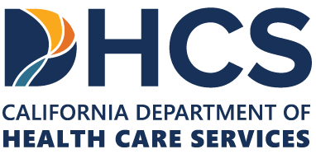 Press TAB to move to input areas. Press UP and DOWN ARROW in column A to read through the document.
CY 2026 FS/PSA Rate Study
General Information
This workbook contains the final Rate Study for Freestanding Pediatrics Subacute (FS/PSA) are updated annually using a cost-based rate methodology in accordance with Attachment 4.19-D of the California Medicaid State Plan and DHCS Long-Term Care (LTC) Rates Policy Letter 26-007.
DHCS hereby adopts the ratesetting calculations described in the CY 2026 FS/PSA Rate Study Workbook to effectuate the methodologies specified Medi-Cal Long Term Care Reimbursement Act and State Plan. All necessary peer group percentile caps, adjustment factors, growth factors, and weighted average rates are calculated prospectively at the time of the initial rate study as specified in the 2026 Calcs tab of this Rate Study Workbook and will not be recalculated on the basis of any future facility-specific rate recomputations.
The reimbursement rates for FS/PSA Facilities are updated annually using a reimbursement methodology that sets payment rates to the lesser of cost projected by the Department of Health Care Services (DHCS) or the class median rate, delineated by Ventilator and Non-Ventilator.
Effective January 1, 2024, FS/PSA facilities from an August to July 31 rate year basis to a calendar rate year basis (January 1 to December 31), as approved in SPA 23-0028. Reimbursement rates will be established pursuant to the methodology described above for the August 1, 2023 through December 31, 2023 rate period, for the January 1, 2024 through December 31, 2024 rate period, and each calendar rate year thereafter.
A copy of this Rate Study is posted on the Medi-Cal Long Term Care Reimbursement website at https://www.dhcs.ca.gov/services/medi-cal/Pages/FFSRDD-LTC/FSPSA.aspx. If you have any questions regarding this Rate Study, please contact the Medi-Cal Long-Term Care Reimbursement Inbox at LTCReimbursement@dhcs.ca.gov for rate issues.
Version History:
2025-10-31: Final Rate Study Published
2025-10-03: Public Review Draft Rate Study Published

